Sheet1
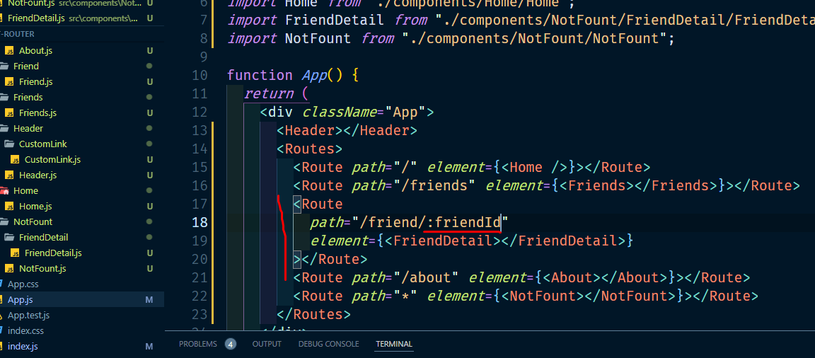
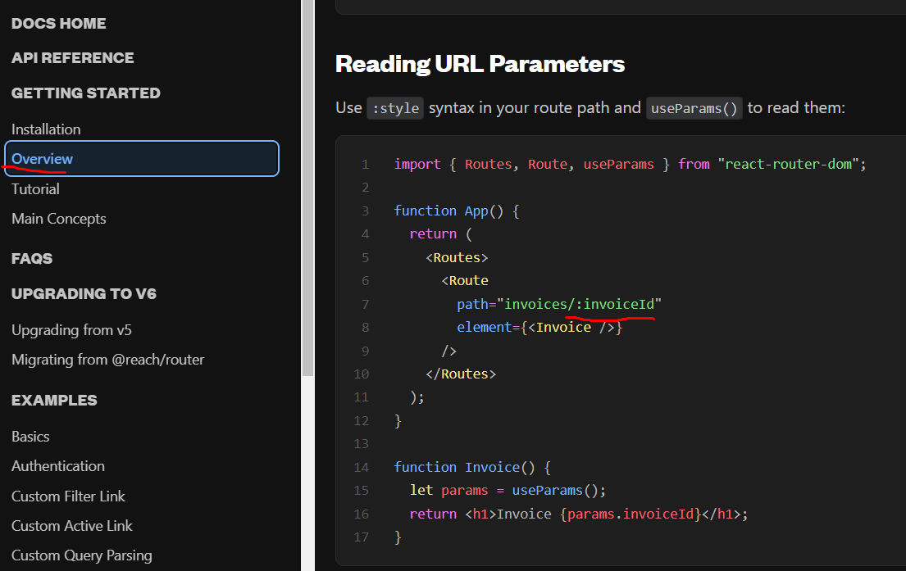
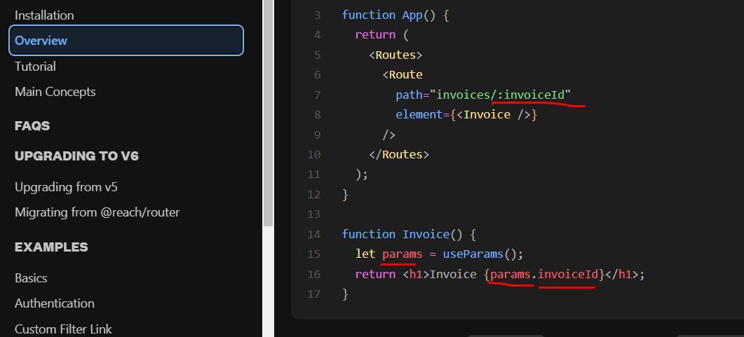
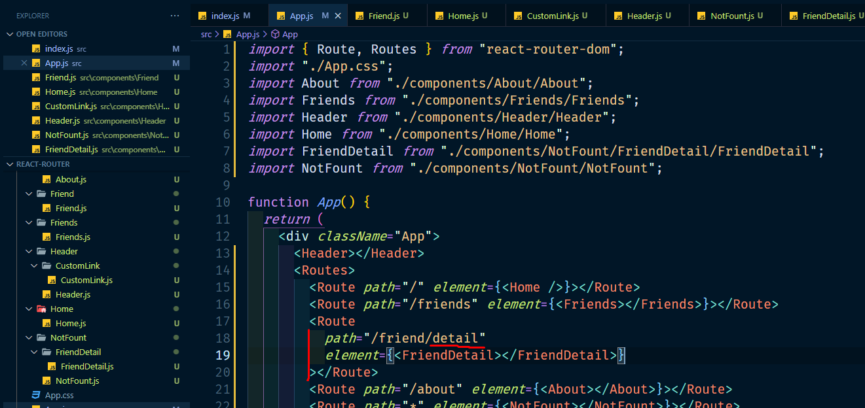

ai detail mane fixed sodo aikhane jabe |  | friend/detail url | aite tik na hole 404 jabe

: detail | mane dynamic vabe ural jabe | friend/detailsalsdj likhleo deail jabe

